Rack
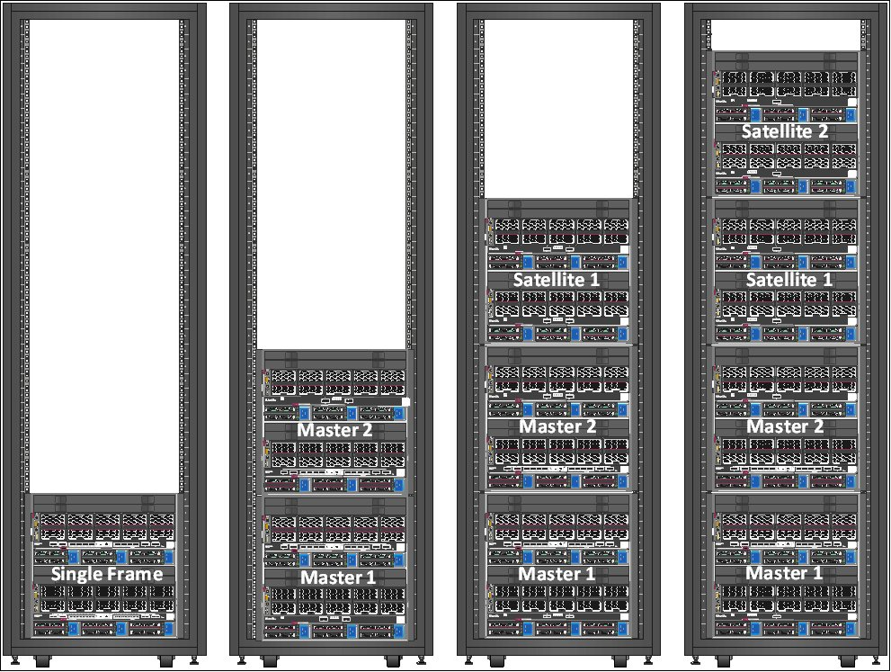



Racking

This tab is used to describe the platform racking for an up to 5 frames in two racks Synergy solution (if ordered Factory Integrated, else only 4 frames in a single rack is supported)
Factory default is to fill racks from the bottom (hence for example First Master Frame in Rack1 will be located at U0, second frame above, etc.), see pictures below
If any Visio or PowerPoint is available, you can also provide them along with this questionnaire, which is just a simplified way to convey racking intent

Please ensure that proper site survey is handled with customer to uncover any power or racking issues.
Ensure "Frame Name" and "PDU name" fields are properly filled as they will be used in next tabs
 | Note that this field will be used to label equipment in the rack. If not provided, factory default will apply (generic names, less readable)
Assumption is that solution contains an even number of PDUs (2 or 4) to allow redundancy of power supplies, with power arrival from the bottom. If different, please precise
Also beware that if non HPE rack is used, a 1200mm depth rack is required to ensure proper cabling.

 | Frame # | Frame Type | Frame Name | Rack # | Rack Name | U Location
 | 1 |  | <frname1>
 | 2 |  | <frname2>
 | 3 |  | <frname3>
 | 4 |  | <frname4>
 | 5 |  | <frname5>

 | Rack 1 |  | Power arrival

 | PDU | PDU Type | PDU Name | Mounting | U Location
 | PDU 1 |  | <r1-pdu1>
 | PDU 2 |  | <r1-pdu2>
 | PDU 3 |  | <r1-pdu3>
 | PDU 4 |  | <r1-pdu4>

Factory Default (1 to 4 frames):

